ORDER_Sheet
* Please fill up the Blue Areas

Company Name
Contact Person Name
Billing Address
Shipping Address
VAT No.
Total Order Qty |  | 0

Item No | Item Name | Photo | Description | Oder Qty

laonsi_n11 | Stand |  | Red solid
laonsi_n17 | Cloud |  | White gradient
laonsi_n20 | Cherry Up | 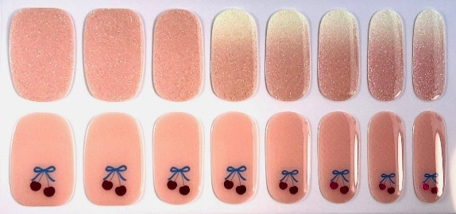 | Cherry pattern light pink with glitter
laonsi_n21 | Soft Dream | 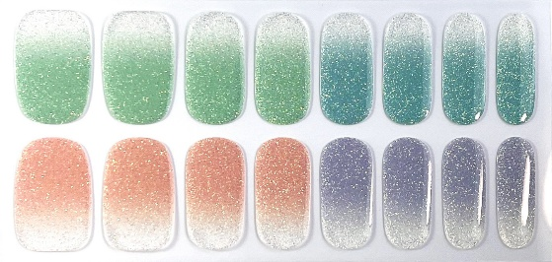 | gradient and glitter
laonsi_n23 | Heart Hug | 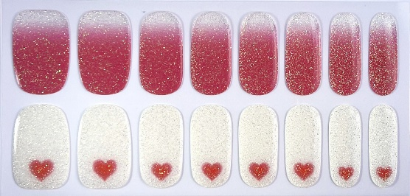 | Heart pattern glitter
laonsi_n25 | Pink Bloom | 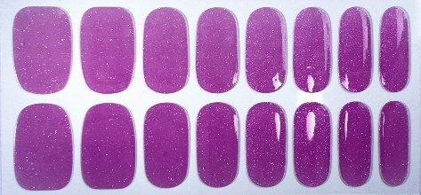 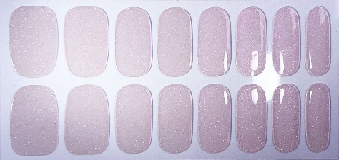 | Color Change Transparent glitter Purple
laonsi_n26 | DEEP CALM | 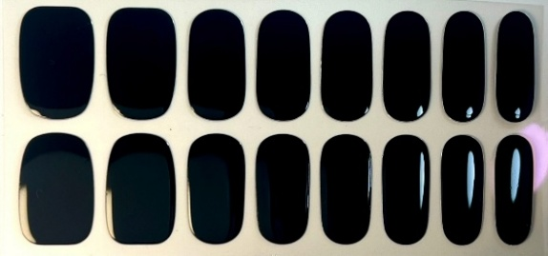 | Black solid
laonsi_n27 | After Sunset | 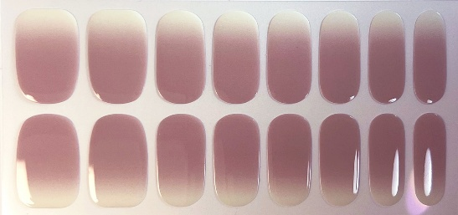 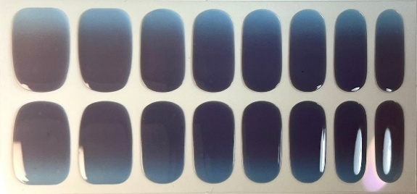 | Color Change Chocolate gradient Dark blue with Sun
laonsi_n28 | Sun Touches | 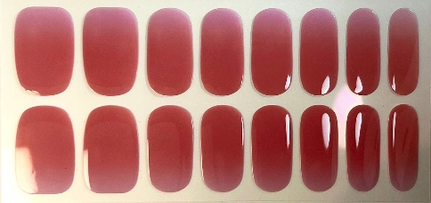 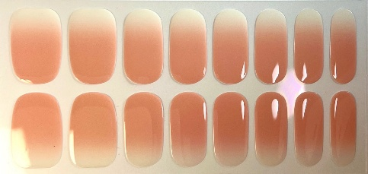 | Color Change Pink gradient Orange red with Sun
laonsi_n29 | Blue Hour | 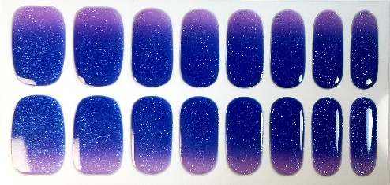 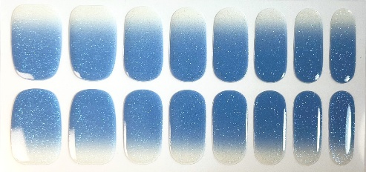 | Color Change Light blue glitter Blue with Sun
laonsi_n30 | Reveal | 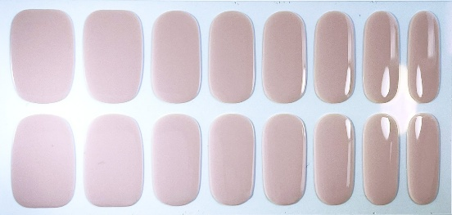 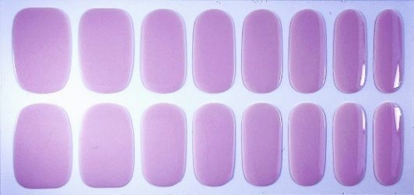 | Color Change Light purple Light Beige with Sun
laonsi_n31 | Soft Spark | 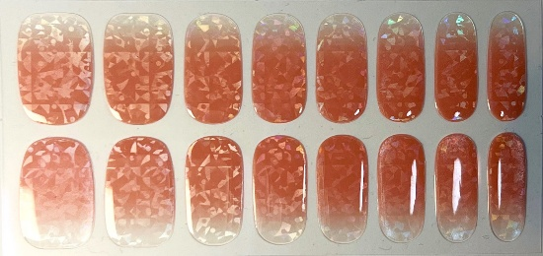 | Pink gradient sparkling in tiny shards
laonsi_n32 | Peach Pearl | 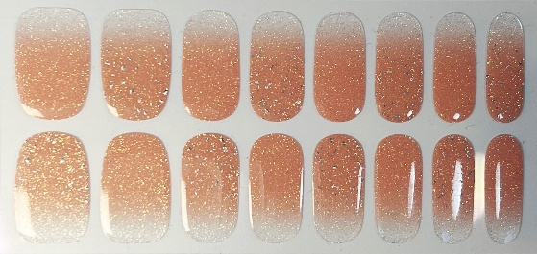 | Pink gradient glitter
laonsi_n33 | Veil Wing | 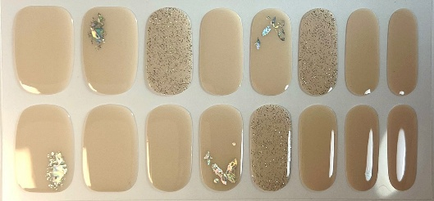 | Soft beige butterfly foil pattern
laonsi_n34 | Midnight Prism | 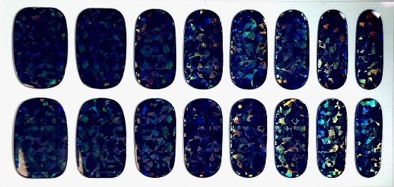 | Dark blue sparkling in tiny shards
laonsi_n35 | Golden Hour | 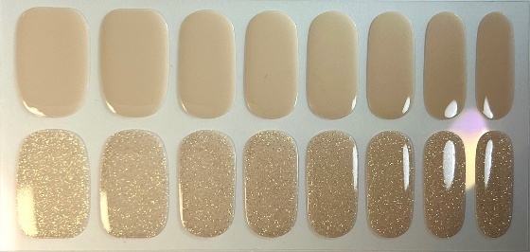 | Soft beige glitter
laonsi_n36 | soft shimmer | 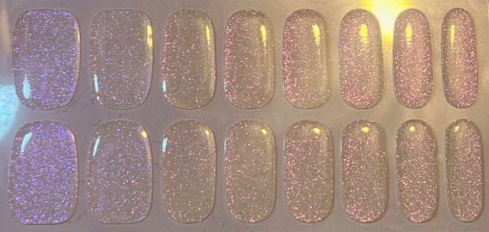 | Transparent purple glitter
laonsi_n37 | blue fade | 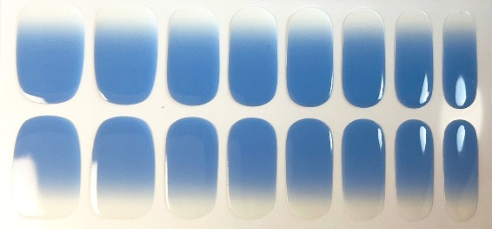 | Light blue gradient
laonsi_n38 | Edge Light | 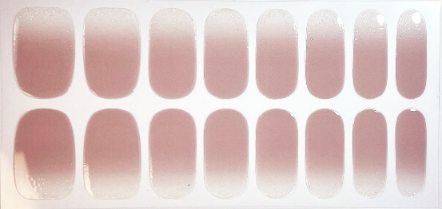 | dusty rose gradient
laonsi_p01 | Flow |  | Blue glitter
laonsi_p02 | Pop |  | Pink
laonsi_p03 | Lil Joy |  | Dark Pink glitter
laonsi_p04 | Minty |  | Mint green glitter
laonsi_p05 | Blank | 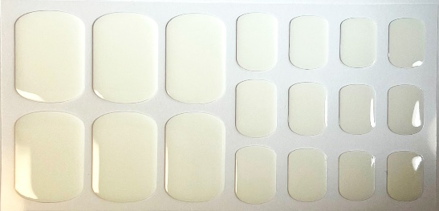 | White Solid
laonsi_p06 | Blank Spark | 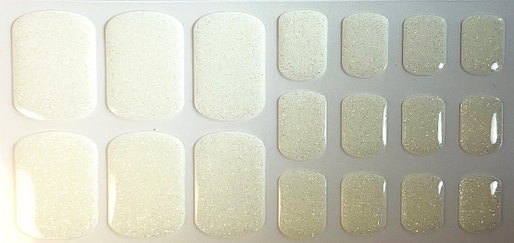 | White glitter
laonsi_p07 | Ember | 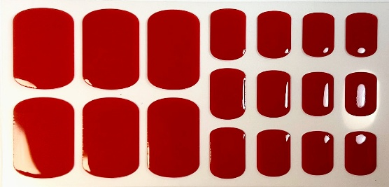 | Red solid
laonsi_p08 | Facet Red | 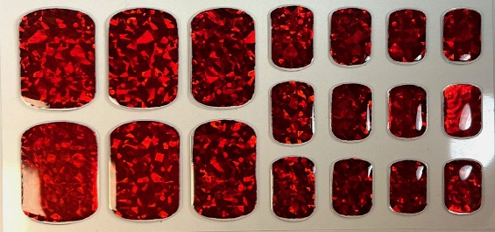 | Red sparkling in tiny shards
laonsi_p09 | Depth | 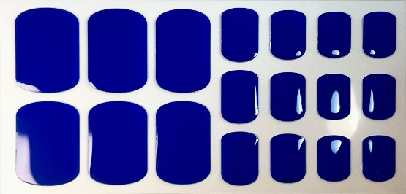 | Blue solid
laonsi_p10 | Depth Spark | 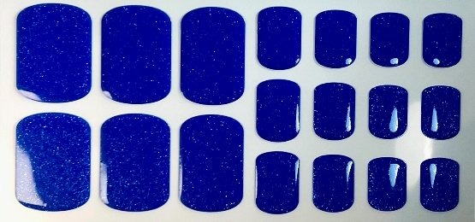 | Blue glitter
laonsi_p11 | Void_nail | 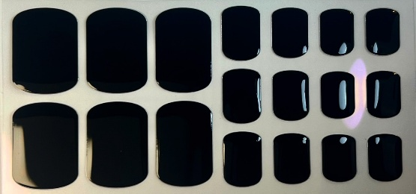 | Black solid
laonsi_p12 | Ripple | 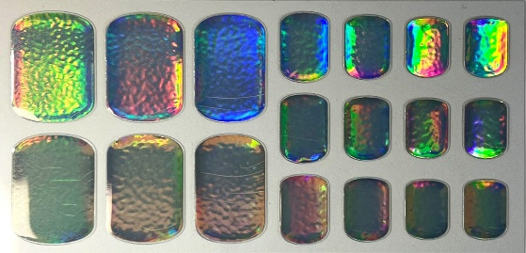 | holographic chrome
laonsi_p13 | Facet | 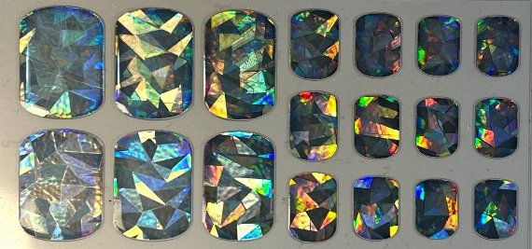 | faceted holographic crystal

